Introduction
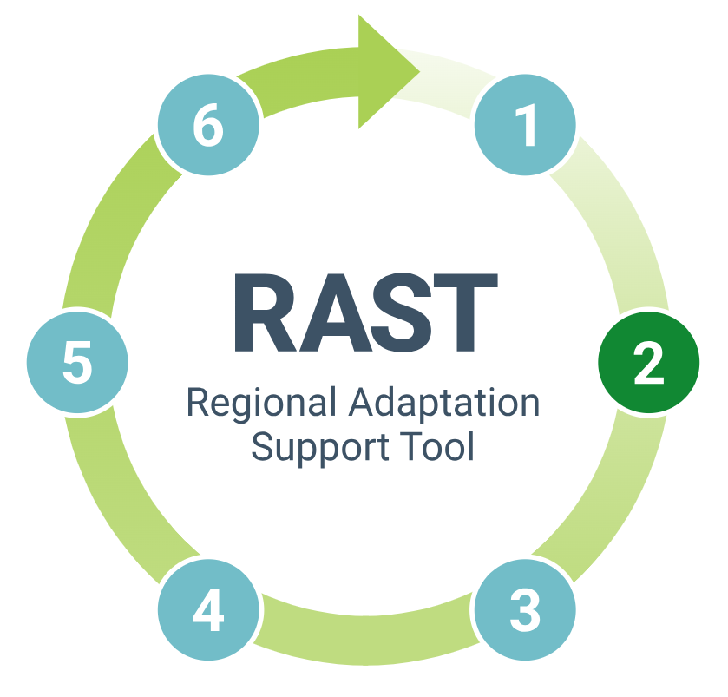 | Introduction The Regional Adaptation Support Tool (RAST) has been developed to help you develop and implement your climate adaptation planning. This Excel workbook is a guide to Step 2 of the RAST with functioning templates that you can use to carry out a climate risk assessment, on the basis of which you can then develop your climate adaptation plan. Slow-onset changes (e.g., in mean temperature, mean precipitation, sea-level rise) and extreme weather-related events (e.g., drought, flood, heatwave) can result in climate-related hazards. Within your regional or local authority, these hazards may have negative (and positive) impacts on: • People • Ecosystems and species • Economic, social and cultural assets, and • Services. Assessing the risks (and opportunities) of such impacts will provide a sound basis for identifying what actions need to be taken to enhance climate resilience. The Excel workbook describes the core elements of a climate risk assessment. If your time and resources do not allow you to undertake a full climate risk assessment, shortcuts are provided. The level of detail with which you undertake the assessment and what further tools you may wish to use beyond the key ones mentioned here will depend on your available resources and the issues that need to be addressed. You should access each of the tabs in this Excel workbook in sequence. Please cite this workbook as Smithers, R.J., Gardner, A. & Dworak, T. 2023. Assessing climate change risks and vulnerabilities (climate risk assessment). A DIY Manual. Version 1 (workbook), November 2023. EU Mission on Adaptation to Climate Change. European Union, Brussels)

Definitions
Climate risks (and opportunities) result from four different factors (see Figure 1).

Link:
*IPCC Sixth Assessment Report (AR6) definitions

Figure 1: Definition of risk | The IPCC AR6 provides standard definitions of each of these factors. Vulnerability is the tendency of people, ecosystems and species, economic, social and cultural assets, and services to be affected by climate-related hazards. It is a product of: |  | How to carry out your climate risk assessment Using the terms detailed on the left and interacting them sequentially in accordance with the IPCC’s definitions, as illustrated in the flow diagram in Figure 2, provides the basis for a simple, action-by-action approach for you to assess your climate risks (and opportunities). The approach is summarised immediately below and guidance is then provided on how you can carry out each action. You may also wish to refer to ISO 14092*, which provides requirements and guidance on adaptation planning for local governments and communities. Summary Action 1 Preparing the ground: Before beginning your climate risk assessment, consider its scope in relation to your regional or local authority’s powers, methodological approach and its alignment with existing risk management processes, and how you will involve stakeholders to ensure your assessment’s relevance, importance and legitimacy. Action 2 Assessing climate vulnerabilities: Identify and rate the adaptive capacity of people, ecosystems, assets, and services and their (direct and indirect) sensitivities to climate-related hazards. Combining the ratings of sensitivities and adaptive capacities will then provide ratings of vulnerabilities. Action 3 Identifying future scenarios: Choose future scenarios to understand the extent to which climate-related hazards may change. It is important to select more than one scenario in order to take account of uncertainties. Action 4 Assessing future potential climate-related impacts: Identify and rate the exposure to future climate-related hazards for each scenario. Combining the ratings of vulnerabilities and exposure will then provide ratings of potential climate-related impacts. Action 5 Assessing climate risks (and opportunities): Rate the likelihood of future potential climate-related impacts. Combining them with the ratings of their magnitude will then determine high climate risks and opportunities on which to focus when you will id | Figure 2: Towards a climate risk assessment The actions illustrated in the figure below and described in subsequent tabs provide the basis for a simple, systematic approach to assessing climate risks (and opportunities) based on IPCC’s definitions of terms and their interactions:
 |  | • Sensitivity, which is the degree to which people, ecosystems and species, economic, social and cultural assets, and services are affected, either negatively or positively, by climate variability or change. They may be affected directly (e.g., a change in crop yield in response to a change in the mean, range, or variability of temperature) or indirectly (e.g., damage caused by an increase in the frequency of coastal flooding due to sea-level rise or from the responses to climate-related hazards of other people, ecosystems and species, economic, social and cultural assets, and services within your regional or local authority or beyond its boundaries, for example, regarding transboundary water catchments). • Adaptive capacity, which is the ability to adjust to potential damage, to take advantage of opportunities, or to respond to consequences.
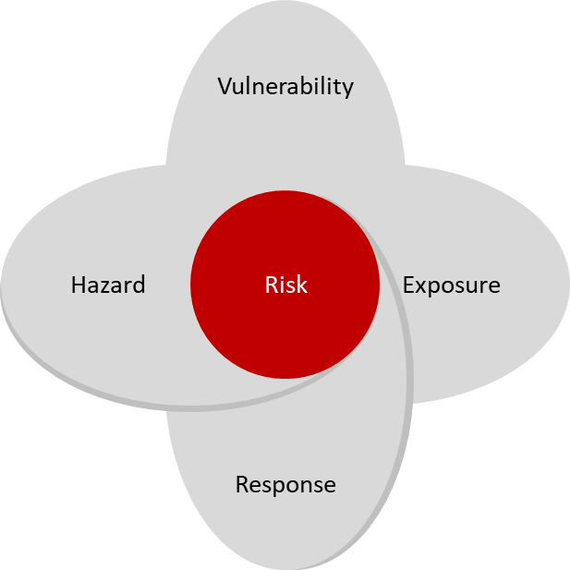 | Hazards are associated with extreme weather-related events or slow-onset climate changes and may cause negative or positive impacts to people, ecosystems and species, economic, social and cultural assets, and services. Exposure refers to the presence of people, ecosystems and species, economic, social and cultural assets, and services in places and settings that could be affected, e.g., on floodplains. Responses can reduce or increase risks (and opportunities) by affecting each of the other factors. Responses can reduce or increase risks (and opportunities) by affecting each of the other factors. The process of climate risk assessment considers indirect sensitivities to climate-related hazards resulting from the responses of other people, ecosystems and species, economic, social and cultural assets, and services. Adaptation is the process of adjustment to actual or expected climate-related hazards and their effects. It reduces risks by reducing vulnerabilities and/or exposure to hazards (and increases opportunities by increasing vulnerabilities and/or exposure to hazards). Your regional or local authority’s own responses to climate risks and opportunities will be the adaptation actions that you subsequently identify, prioritize and implement in Steps 3, 4 and 5 of the RAST. |  |  | 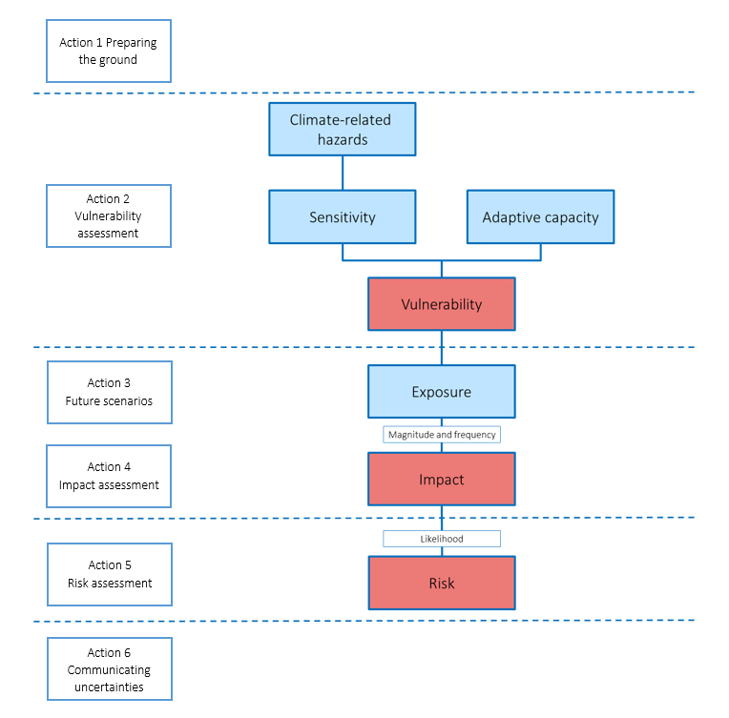
 |  |  | Link:
Source: Based on IPCC AR6 |  |  | *ISO 14092

